Sheet1
Date | Liquidity
2021-01-01 | 1000000
2021-01-02 | 1100000
2021-01-03 | 1200000
2021-01-04 | 1300000
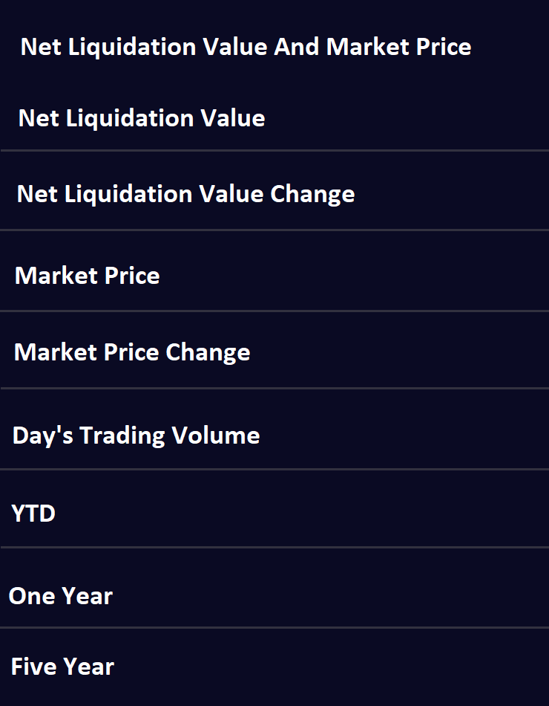
2021-01-05 | 1400000
2021-01-06 | 1500000
4
2021-01-07 | 1600000
2021-01-08 | 1700000
2
2021-01-09 | 1800000
2021-01-10 | 1900000
3
2021-01-11 | 2000000
2021-01-12 | 2100000
4
2021-01-13 | 2200000
2021-01-14 | 2300000
5
2021-01-15 | 2400000
2021-01-16 | 2500000
6
2021-01-17 | 2500000

7

8

 |  | Netliquidation value | 4
 |  | Netliquidation value Change | 2
 |  | Market Price | 3
 |  | Market Price Change | 4
 |  | Day's Trading Volume | 5
 |  | YTD | 6
 |  | One year | 7
 |  | Five year | 8

